Missionary Badge Short Form
 | Service Missionary & Non-Missionary Name Tag Order
 |  | Attention: All orders are billable only to Church units using the Church's Internal Record of Purchase (IROP) system. Please contact your sponsoring Church unit to obtain the 3 to 7 digit (numeric only) Unit Number and insert the associated Unit Name in the boxes below (the unit # can be found on the monthly CFAR bank statement)

 | Organization/Billing Information:
 | Name / Organization |  |  |  |  |  |  | Deseret Manufacturing (Sign Shop)
 |  |  |  |  |  |  |  | 1680 South Industrial Road
 | Charge to Unit # |  | Phone # |  | Date of Order |  |  | Salt Lake City, Utah 84104-3821

 | Notes: |  |  | Will Call | USPS | Interoffice | FedEx | homestead@churchofjesuschrist.org
 |  |  |  |  |  |  |  | (801) 240-2580 (Receptionist) / (801) 240-5086 (Jose Santiago)
 | Shipping Information: |  |  | Typical Orders ship within 48 hours after the order is received.
 | Name / Organization (Please type across the line) |  |  |  |  |  |  | Phone Number with Area Code & Email Address (Required for FEDEX / International orders)

 | Street Address |  |  |  |  |  |  |  |  | Apt.

 | City |  |  |  |  | State/Province |  |  | Country |  | Postal Code (ZIP +4)

 | Purchase Order Number (if applicable) |  |  |  |  |  |  |  | Enter the desired Quantity in the columns below

 | Order Information: |  |  |  |  |  |  |  | Name Tag Type |  |  | Accessory
 | ELDER / SISTER LAST NAME |  |  |  | Service Missionary |  |  | Language | Pin | Magnet | Pocket | Johnny Clip
 |  |  |  |  |  |  |  |  | $3.00 | $4.00 | $3.75 | $1.50
 |  |  |  |  |  |  |  |  | 049900 | 049902 | 049905 | 049910
1 |  |  |  |  | Service Missionary
2 |  |  |  |  | Service Missionary
3 |  |  |  |  | Service Missionary
4 |  |  |  |  | Service Missionary
5 |  |  |  |  | Service Missionary
6 |  |  |  |  | Service Missionary
7 |  |  |  |  | Service Missionary
8 |  |  |  |  | Service Missionary
9 |  |  |  |  | Service Missionary
10 |  |  |  |  | Service Missionary
 |  |  |  |  | Sub Total |  |  | 0 | 0 | 0 | 0 | 0
 |  |  |  |  | Total Cost |  |  | $0.00 | $0.00 | $0.00 | $0.00 | $0.00

 | BROTHER / SISTER LAST NAME |  |  |  | Non-Missionary Tags |  |  | Language | Pin | Magnet | Johnny Clip
 |  |  |  |  |  |  |  |  | $2.50 | $3.50 | $1.50
 |  |  |  |  |  |  |  | Part Number | 049901 | 049903 | 049910
1
2
3
4
5
 |  |  |  |  | Total Badges |  |  | 0 | 0 | 0 | 0
 |  |  |  |  | Total Cost |  |  |  | $0.00 | $0.00 | $0.00

 |  |  |  |  |  |  |  |  | Pins Only | Magnets Only | Johnny Clip
 |  |  |  |  |  | Accessories |  | Part Number | 047090 | 047092 | 049910
 |  |  |  |  |  |  |  | Cost | $1.15 | $1.50 | $1.50

 |  |  |  |  |  | Order Total |  | $0.00 | $0.00 | $0.00 | $0.00
 | Thank You for Your Order
 |  |  | Pin / Magnet Tag |  |  |  |  |  |  |  | Clip
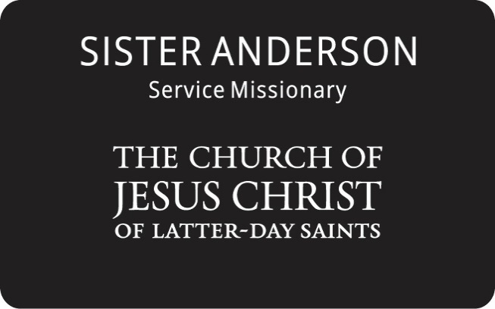

 |  |  |  |  |  |  |  | Johnny Clip Optional
 |  |  |  |  |  |  |  | adapts Pin Tag to Clip
 |  |  |  |  |  |  |  | (Use with Pin Style Only)

 | V.9074

